Sheet1
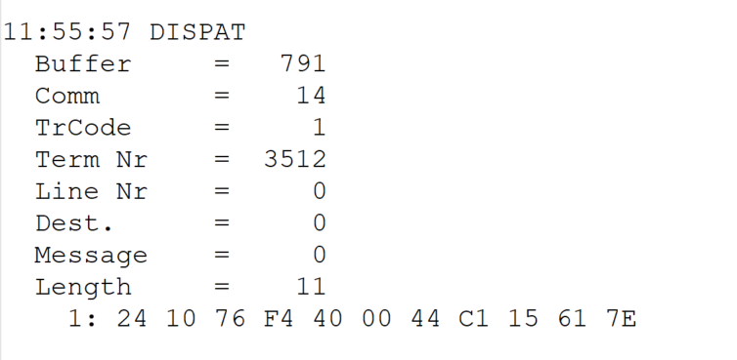
 |  |  |  |  | HEXA | BIN | DEC
TestByte |  | Size | Field Contents
Start | End
1 | 1 | 1 | Control | Sequence | 24 | Control=0010 Sequence=0100 | 2 4 | Control -> x10 - Application Message Sequence -> 4
2 | 2 | 1 | Type = 1 | Subtype = see below | 10 | Type=0001 Subtype=0000 | Type=1 Subtype=0 | Type = 1 Subtype = 0
3 | 4 | 2 | Checksum |  | 76 F4 | .. | 30452 | ..
5 | 5 | 1 | Statistics (see below) |  | 40 |  |  | x40 = Reader Entry
6 | 7 | 2 | Wager Julian Date |  | 00 44 |  | 68 | 31+28+9=68
8 | 10 | 3 | Wager Serial Number |  | C1 15 61 |  | 12653921 | 12653921
11 | 11 | 1 | Wager Check Digits |  | 7E |  | 126 | 126
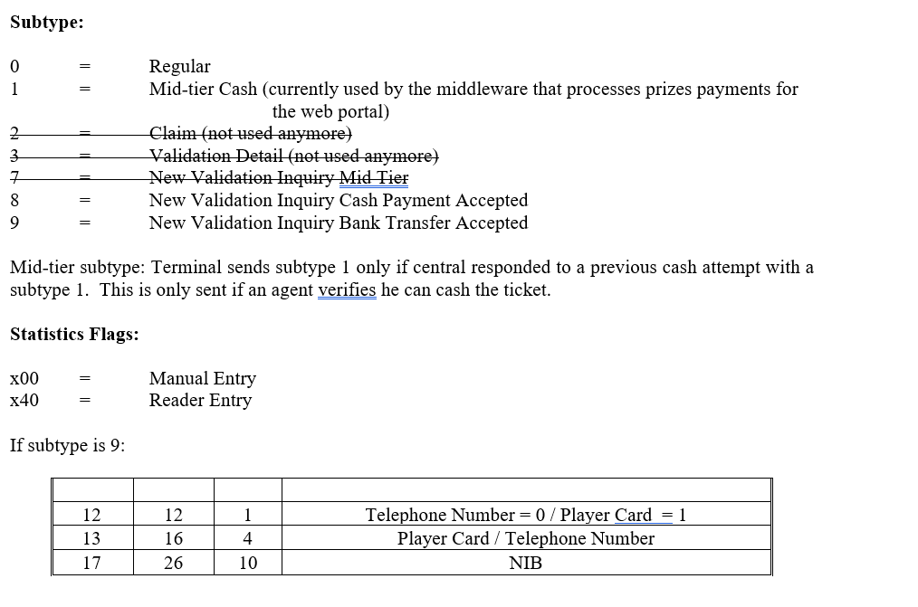
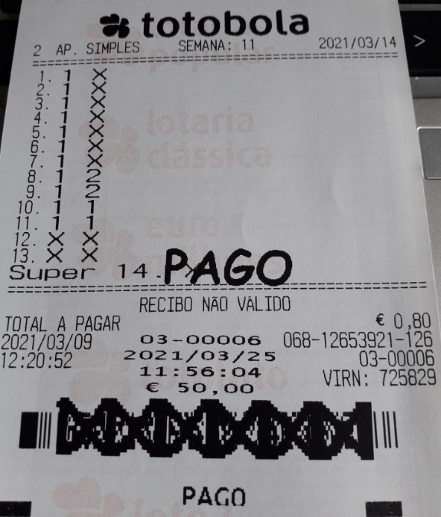

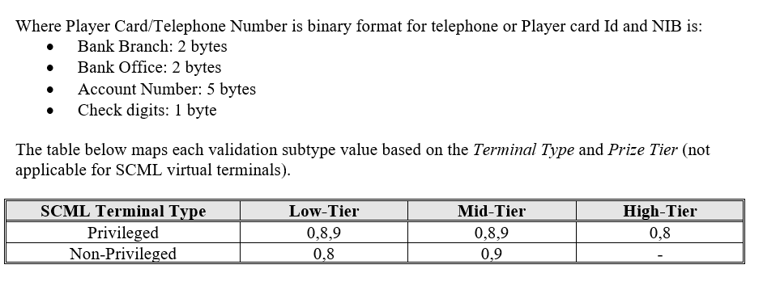

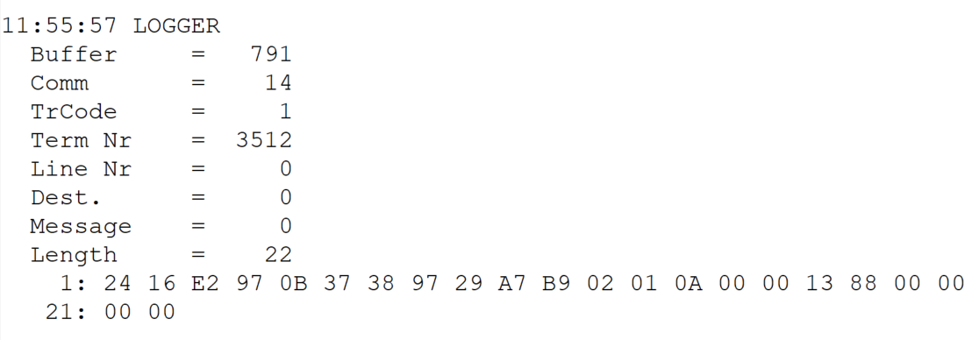
TestByte |  | Size | Field Contents
Start | End
1 | 1 | 1 | Control | Sequence | 24 | Control=0010 Sequence=0100 | 2 4 | Control -> x10 - Application Message Sequence -> 4
2 | 2 | 1 | Type = 1 | Subtype = see below | 16 | Type=0001 Subtype=0110 | Type=1 Subtype=6 | Type = 1 Subtype = 6 New Validation Inquiry Cash Payment
3 | 4 | 2 | Checksum |  | E2 97 | … | 58007
5 | 7 | 3 | Time |  | 0B 37 38 |  | 11:55:56 | 11:55:56 (hh:mm:ss)
8 | 10 | 3 | Validation Serial Number |  | 97 29 A7 |  | 9906599
11 | 11 | 1 | Validation Check Digits |  | B9 |  | 185
12 | 12 | 1 | Game Type |  | 02 |  | 2 | SPRT - Totobola
13 | 13 | 1 | Game Index |  | 01 |  | 1 | Normal
14 | 14 | 1 | Validation Status |  | 0A |  | 10 | 10 = No Exchange Ticket
15 | 18 | 4 | Cash Amount (Validation Units) |  | 00 00 13 88 |  | 5000 | 5000 cent = 50 euros
19 | 22 | 4 | Refund Amount (Validation Units) |  | 00 00 00 00 |  | 0 | 0

